QUALITY
ASAKAI | 18-Aug-26
1. QUALITY
 | TARGET | ACTUAL | ACCUM | HIGHLIGHT ISSUE |  |  | PIC
CUSTOMERS CLAIM | 0 | 1 | 3
INTERNAL FLOWOUT | 0 | 0 | 0
SUPPLIER FLOWOUT | 0 | 0 | 0


PPM | TARGET CUSTOMER | TARGET IPPI | QTY DELIVERY AGST | ACTUAL AGST | QTY DELIVERY YTD | ACCUM | PIC
ADM | 2 | 0.27 | 592,600 | 0 | 6,865,019 | 1.02 |  | 1207782
TMMIN | 0 | 0.27 | 28,070 | 0 | 350,103 | 5.71 |  | 60854
IAMI | 5 | 0.27 | 73,645 | 0 | 879,462 | 13.644705513 |  | 224290
PAMA | 0 | 0.27 | 1,600 | 0 | 3,041 | 0
WULING | 0 | 0.27 | 45 | 0 | 490 | 0
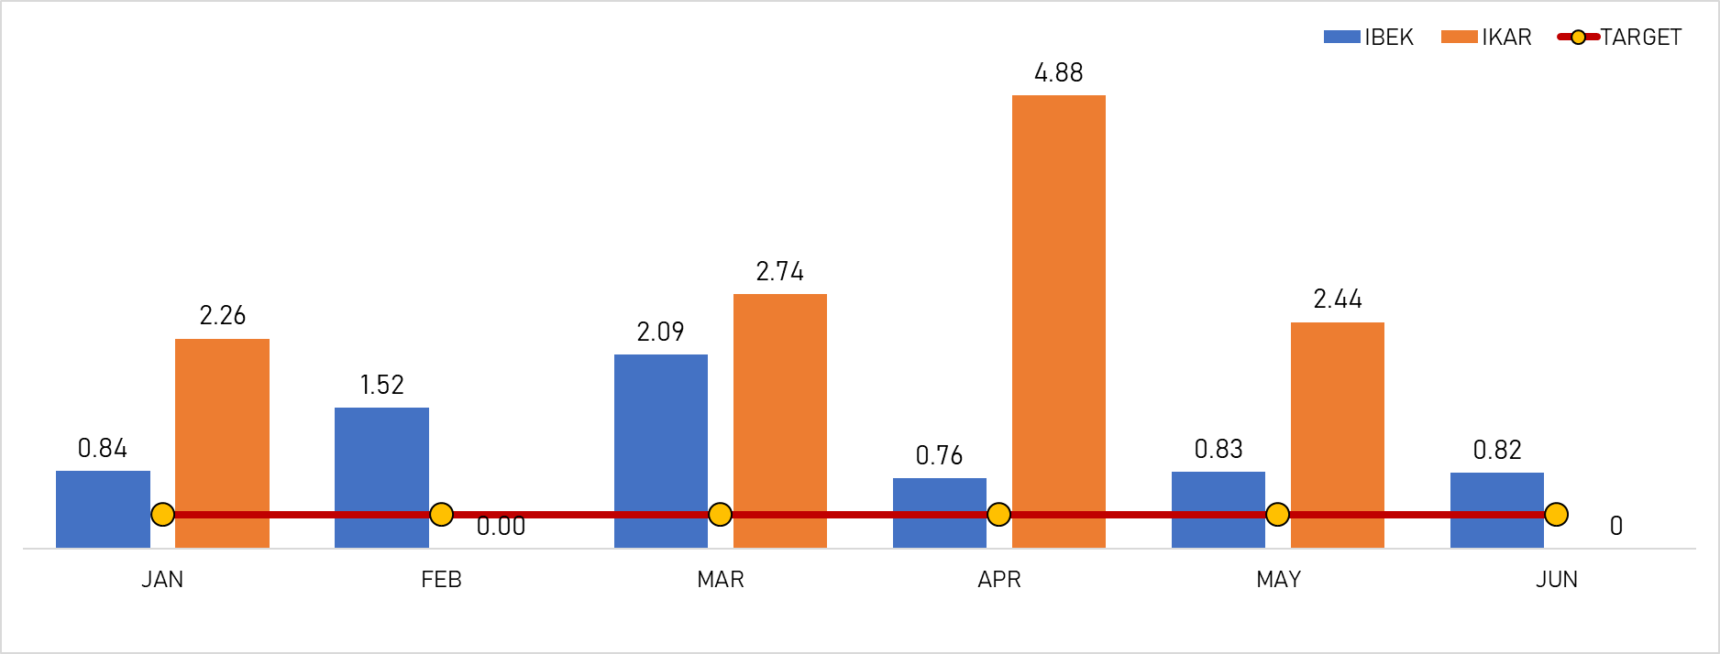
HPM | 0 | 0.27 | 2,880 | 0 | 22,158 | 0 |  | 4141
MMKI | 7,9 | 0.27 | 68,138 | 0 | 771,523 | 0 |  | 143197 | \| | \\
TOTAL (YTD) | 0.5 | 0.27 | 766,978 |  | 8,891,796 | 1.12

PRODUKSI
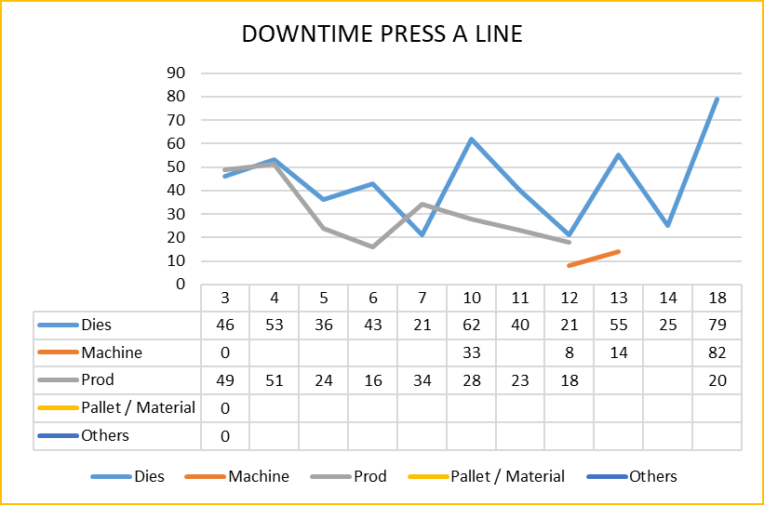
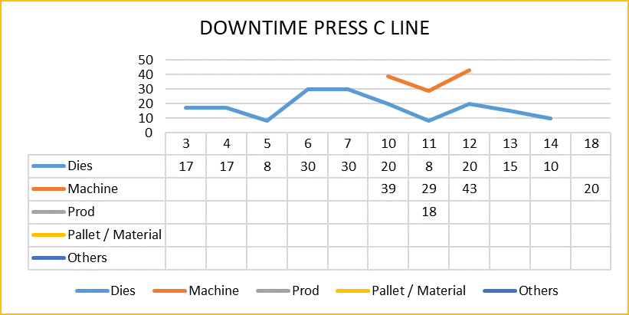
ASAKAI | 15-Aug-26
1. SAFETY
 | TARGET |  | ACTUAL |  | DIFF | HIGHLIGHT ISSUE
ACCIDENT | 0 |  | 0 |  | 0
INCCIDENT | 0 |  | 0 |  | 0
TRAFFIC ACCIDENT | 0 |  | 0 |  | 0

2. REPAIR, REJECT, GSPH
REPAIR LINE | TARGET |  | ACTUAL |  | ACCUM | HIIGHLIGHT ISSUE |  |  |  | GSPH LINE | TARGET | PLAN | ACTUAL | DIFF
LINE A | 1,2% |  | 0.00% |  | 0.00% | C Line - GT-5154/56 450/450 --> Hasil Part Burry dan Baret |  |  |  | LINE A | 540 | 433 | 385 | -48
LINE B | 1,2% |  | 0.00% |  | 0.00%
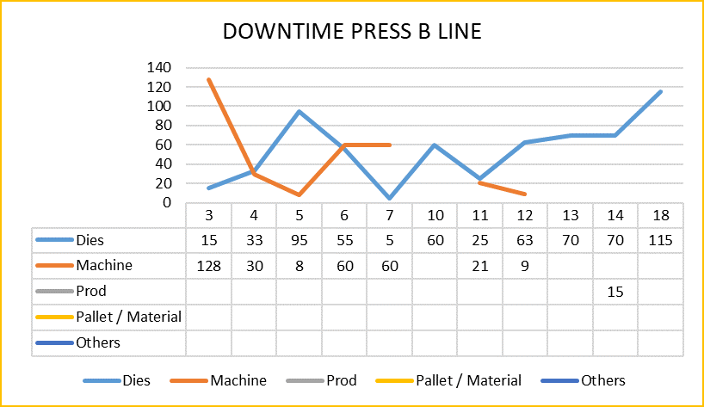
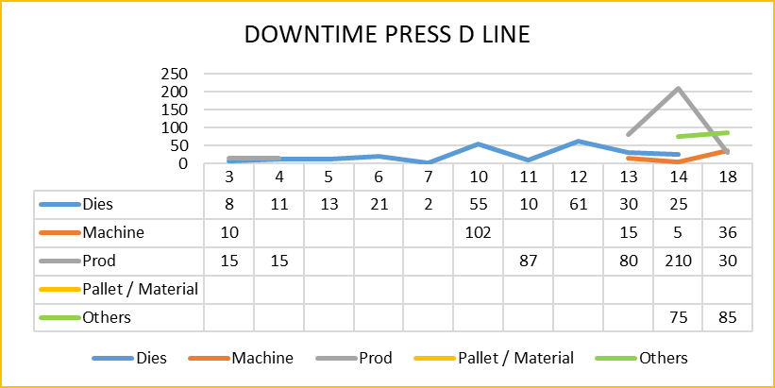
LINE C | 1,2% |  | 39.93% |  | 0.65% |  |  |  |  | LINE B | 550 | 504 | 449 | -56
LINE D | 1,2% |  | 0.00% |  | 0.00%
 |  |  |  |  |  |  |  |  |  | LINE C | 355 | 210 | 203 | -6
REJECT LINE | TARGET |  | ACTUAL |  | COST | ACCUM | ACCUM COST | HIGHLIGHT ISSUE
LINE A | 0,02% |  |  |  |  | 0.00% | Rp72,320.00 | B LINE - PB-034 Appearance neck (4pcs) JSC270C=1,4 X 200 X 910 8kg * 15.000 ---> Rp. 120.010 - PH-031GU PArt Op-10 Minus(5pcs)PH-031GU=SAPH-440 - 3,2 X 300 X 640 24kg * 15.000 ---> Rp. 361.728 - IB-036 Part Op-10 Neck(8pcs) JSH590R-P = 2 X 1160 X 1320 192kg * 15.000 ---> Rp. 2.884.780 |  | LINE D | 535 | 456 | 386 | -70
LINE B | 0,02% |  | 0.10% |  | Rp3,366,518.00 | 0.00% | Rp49,851,328.00
LINE C | 0,02% |  |  |  |  | 0.00% | Rp8,881,879
LINE D | 0,02% |  |  |  |  | 0.06% | Rp7,846,520

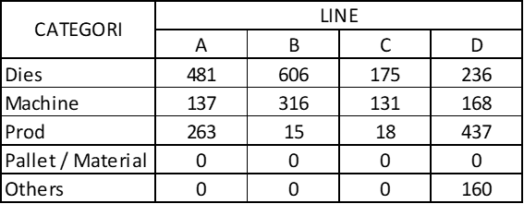
3. PRODUCTIVITY STAMPING SHIFT 1
LINE | PLAN |  | ACTUAL OK |  | DIFF | FACTOR | PROBLEM |  | PENYEBAB |  |  |  |  | Counter Measure |  | DT (MENIT)
LINE A | 4720 | 11 | 3920 | 11 | -800
RC-2764 | 400 |  | 400 |  | 0 | Prod | Scrap tidak turun di proses blank |  | Scrap mentok ke stopper sensor |  |  |  |  | Adjust sensor judge variasi (next improve posisi sensor) |  | 20
IB-067 | 240 |  | 240 |  | 0 | Machine | Push button tdk bisa dioperasikan |  | Masih dalam tahap study team PS |  |  |  |  | Proses memakai inching (monitor proses by GL) |  | 25
AES-028 | 600 |  | 600 |  | 0 | Dies | Hasil Proses OP 10 Part Gelombang |  | Tarikan bide tidak konstan |  |  |  |  | Tunning Dies |  | 9
G-031 | 500 |  | 500 |  | 0 | Dies | Hasil proses OP 10 Part Gelombang |  | Tarikan bide tidak konstan |  |  |  |  | Tunning Dies |  | 17
IB-067 | 300 |  | 300 |  | 0 | Dies | Mesin 1500 TOn Balancer Drop |  |  |  |  |  |  |  |  | 25
RCS-017 | 500 |  | 500 |  | 0 | Dies | Hasil proses draw neck |  | Surface dies kasar |  |  |  |  | Polyshing surface dies judge OK |  | 8
Item tidak tercapai
1. RCS-017 | 500 |  | 0 |  | -500
2. IB-067 | 300 |  | 0 |  | -300
TOTAL DOWNTIME |  |  |  |  |  |  |  |  |  |  |  |  |  |  |  | 104

LINE | PLAN |  | ACTUAL |  | DIFF | FACTOR | PROBLEM |  | PENYEBAB |  |  |  |  | Counter Measure |  | DT (MENIT)
LINE B | 9470 | 22 | 8650 | 18 | -820
PB-034 | 240 |  | 240 |  | 0 | Dies | Appearance neck |  | Radius dies kasar |  |  |  |  | Polyshing surface dies judge OK |  | 40
PB-070 | 240 |  | 240 |  | 0 | Dies | Appearance OP 10 Neck |  | Surface dies kasar |  |  |  |  | Polyshing surface dies judge OK |  | 10
Item tidak tercapai
1. PH-031 GU B1-B3 | 240 |  | 0 |  | -240 |  | Adanya Henkaten PIC Mesin B1 (Proses Utamakan Safety)
2. NX-2928 BLK B4 | 400 |  | 0 |  | -400
3. GT-5154 FNS B1 | 180 |  | 0 |  | -180

 |  |  |  |  |  |  |  |  |  |  |  |  |  |  |  | 50

LINE | PLAN |  | ACTUAL OK |  | DIFF | FACTOR | PROBLEM |  | PENYEBAB |  |  |  |  | Counter Measure |  | DT (MENIT)
LINE C | 2254 | 10 | 2254 | 10 | 0
GT 2514 | 300 |  | 300 |  | 0 | Mach | Servo machine C4 mati (berulang kali) |  | Masih dalam tahap study team Ps |  |  |  |  | Re start mesin judge OK |  | 20

TOTAL DOWNTIME |  |  |  |  |  |  |  |  |  |  |  |  |  |  |  | 20

LINE | PLAN |  | ACTUAL OK |  | DIFF | FACTOR | PROBLEM |  | PENYEBAB |  |  |  |  | Counter Measure |  | DT (MENIT)
LINE D | 5670 | 13 | 4670 | 12 | -1000
AAS-050 | 300 |  | 300 |  | 0 | Machine | Mesin D3 oil mluber |  | Masih dalam study team PS |  |  |  |  | Adjust pump oil |  | 10
NX-4143 | 300 |  | 300 |  | 0 | Machine | Mesin D3 MB left macet |  | Masih dalam study team PS |  |  |  |  | adjust sensor MB judge OK |  | 15
RC-2770 | 360 |  | 360 |  | 0 | Prod | Proses tidak sesuai TPT |  | Handling manual area sempit |  |  |  |  | Proses sesuai prosedur dan mengutamakan safety |  | 30
RC-2770 | 360 |  | 360 |  | 0 | Machine | Meisn D3 overload |  | Masih dalam study team PS |  |  |  |  | re start mesin judge OK |  | 11
Item tidak tercapai
1. RC-2764 FNS | 500 |  | 0 |  | -500
2. RC-2770 FNS | 500 |  | 0 |  | -500

 |  |  |  |  |  |  |  |  |  |  |  |  |  |  |  | 66

4. PRODUCTIVITY STAMPING SHIFT 2
LINE | PLAN |  | ACTUAL OK |  | DIFF | FACTOR | PROBLEM |  | PENYEBAB |  |  |  |  | Counter Measure |  | DT (MENIT)
LINE A | 3725 | 11 | 2200 | 7 | -1525
Mesin A1 |  |  |  |  | 0 | Machine | Clamper mesin A1 front no 2 tidak maksimal/macet |  | Roda clamper A1 nomor 2 rusak/macet |  |  |  |  | Temporary clamper dilepas, proses menggunakan t-slot manual |  | 57
AAS-054 BLK |  |  |  |  | 0 | Prod | Proses Manual di A1 |  |  |  |  |  |  |  |  | 20
Item tidak tercapai
K-1014 | 300 |  | 0 |  | -300 |  | RECOVERY ITEM SHIFT 1 2 ITEM |  |  |  |  |  |  |  |  | 90
T-4023 | 400 |  | 0 |  | -400
XP-0078 | 300 |  | 0 |  | -300
GT-5051/6/7 | 225 |  | 0 |  | -225
RCS-011 | 300 |  | 0 |  | -300

 |  |  |  |  |  |  |  |  |  |  |  |  |  |  |  | 167

LINE | PLAN |  | ACTUAL OK |  | DIFF | FACTOR | PROBLEM |  | PENYEBAB |  |  |  |  | Counter Measure |  | DT (MENIT)
LINE B | 8916 | 22 | 6316 | 18 | -2600
G-017 | 240 |  | 240 |  | 0 | Prod | Hasil proses OP10 part gomikami |  | Surface lower dies kotor |  |  |  |  | Cleaning surface lower dies |  | 10 | Microskop
PH-031GU | 240 |  | 120 |  | -120 | Dies | Hasil proses OP10 part minus |  | Stoper geser/aus |  |  |  |  | Adjust stoper |  | 10
IB-036 | 240 |  | 120 |  | -120 | Dies | Hasil proses OP10 part neck |  | Tarikan bide tidak konstan |  |  |  |  | Adjust shim balancer, adjust angin cushion & part diberi oli per pcs |  | 45
Item tidak tercapai |  |  |  |  | 0
IB-054 (4mesin) B1-B4 | 300 |  | 0 |  | -300 |  | RECOVERY ITEM SHIFT 1 4 ITEM |  |  |  |  |  |  |  |  | 75
AAS-057 (4mesin) B1-B4 | 300 |  | 0 |  | -300
AE-0091 (3Mesin) B1-B3 | 600 |  | 0 |  | -600
AES-039/42 (1 MESIN) B4 | 800 |  | 0 |  | -800
GT-5154 (1 MESIN) B4 | 360 |  | 0 |  | -360

TOTAL DOWNTIME |  |  |  |  |  |  |  |  |  |  |  |  |  |  |  | 140

LINE | PLAN |  | ACTUAL OK |  | DIFF | FACTOR | PROBLEM |  | PENYEBAB |  |  |  |  | Counter Measure |  | DT (MENIT)
LINE D | 4500 | 12 | 3672 | 11 | -828
IB-016 | 300 |  | 72 |  | -228 | Trial | Additional time pengecekan akurasi by CF |  | Alih proses mesin D1 ke D4 (perbaikan mesin) |  |  |  |  | Tunggu hasil cek akurasi |  | 45
AAS-054 | 600 |  | 0 |  | -600 | Trial | Additional time pengecekan akurasi by CF |  | Alih proses mesin D1 ke D4 (perbaikan mesin) |  |  |  |  | Tunggu hasil cek akurasi |  | 40
 |  |  |  |  | 0
TOTAL DOWNTIME |  |  |  |  |  |  |  |  |  |  |  |  |  |  |  | 85

5. PENCAPAIAN SUB-ASSY
LINE | PLAN |  |  |  |  | ACTUAL |  | DIFF | HIGHLIGHT ISSUE |  |  |  |  |  | D/T
 | SHIFT 1 |  | SHIFT 2 |  | TOTAL |  |  |  |  |  |  |  |  |  |  | Cycle time assy untuk line manual --> TSKK dari line manual
LINE 1 | 8 |  | 1 |  | 9 | 9 |  | 0
LINE 2 | 19 |  | 10 |  | 29 | 28 |  | -1 | SHIFT 1. IBA-004 SINGLE PART IB-037 T/A=> B.LINE PLAN 48 ACT 0 |  |  |  |  |  | 254
LINE 3 | 15 |  | 16 |  | 31 | 31 |  | 0
LINE 4 | 28 |  | 25 |  | 53 | 52 |  | -1 | SHIFT 2. PVA-001B SINGLE PART PVS-01 T/A => B LINE PLAN 96 ACT 0 |  |  |  |  |  | 72
LINE 5 | 11 |  | 9 |  | 20 | 15 |  | -5 | SHIFT 1. IBS-022 SINGLE PART IB-054 T/A=> B.LINE PLAN 96 ACT 0, IBA-016 SINGLE PART IB-098 T/A=> B.LINE PLAN 24 ACT 0, IBA-017 SINGLE PART IB-099 T/A=> B.LINE PLAN 24 ACT 0, SHIFT 2. IBA-016 SINGLE PART IB-098 T/A => B LINE PLAN 96 ACT 0, IBA-017 SINGLE PART IB-099 T/A => B LINE PLAN 96 ACT 0 |  |  |  |  |  | 298
LINE 6 | 10 |  | 8 |  | 18 | 18 |  | 0
LINE 7 | 11 |  | 8 |  | 19 | 19 |  | 0
LINE 8 | 7 |  | 5 |  | 12 | 12 |  | 0
LINE 9 | 8 |  | 8 |  | 16 | 16 |  | 0
LINE 10 | 10 |  | 7 |  | 17 | 16 |  | -1 | SHIFT 2. GT-5930 SINGLE PART G-31 TA TELAT => B LINE PLAN 100 ACT 80 |  |  |  |  |  | 19
LINE 12 | 22 |  | 18 |  | 40 | 40 |  | 0
LINE 13 | 17 |  | 15 |  | 32 | 31 |  | -1 | SHIFT 2. AA-3310 SINGLE PART XP-074 T/A => B LINE PLAN 40 ACT 0 |  |  |  |  |  | 23
LINE 14 | 6 |  | 6 |  | 12 | 12 |  | 0
LAS CO | 4 |  | 4 |  | 8 | 8 |  | 0
TOTAL DIFF |  |  |  |  |  |  |  | -9 | TOTAL DOWNTIME |  |  |  |  |  | 666

 | SPOT / MAN HOURS |  |  |  |  | DIFF | ACCUM | HIGHLIGHT ISSUE
 | TARGET |  | PLAN |  | ACTUAL
ROBOT SPOT | 1300 |  | 1005 |  | 1001 | -4
MANUAL | 550 |  | 414 |  | 399 | -15
lAS CO | 176 |  | 132 |  | 135 | 3
TOTAL | 780 |  | 636 |  | 626 | -10

LAMPIRAN
